Sheet2
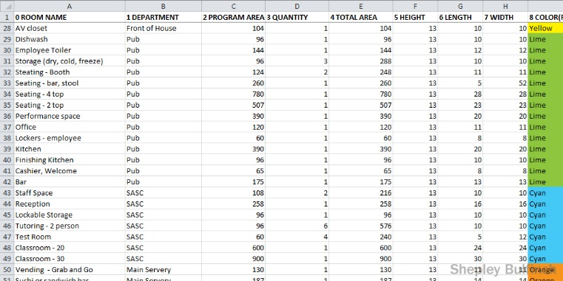
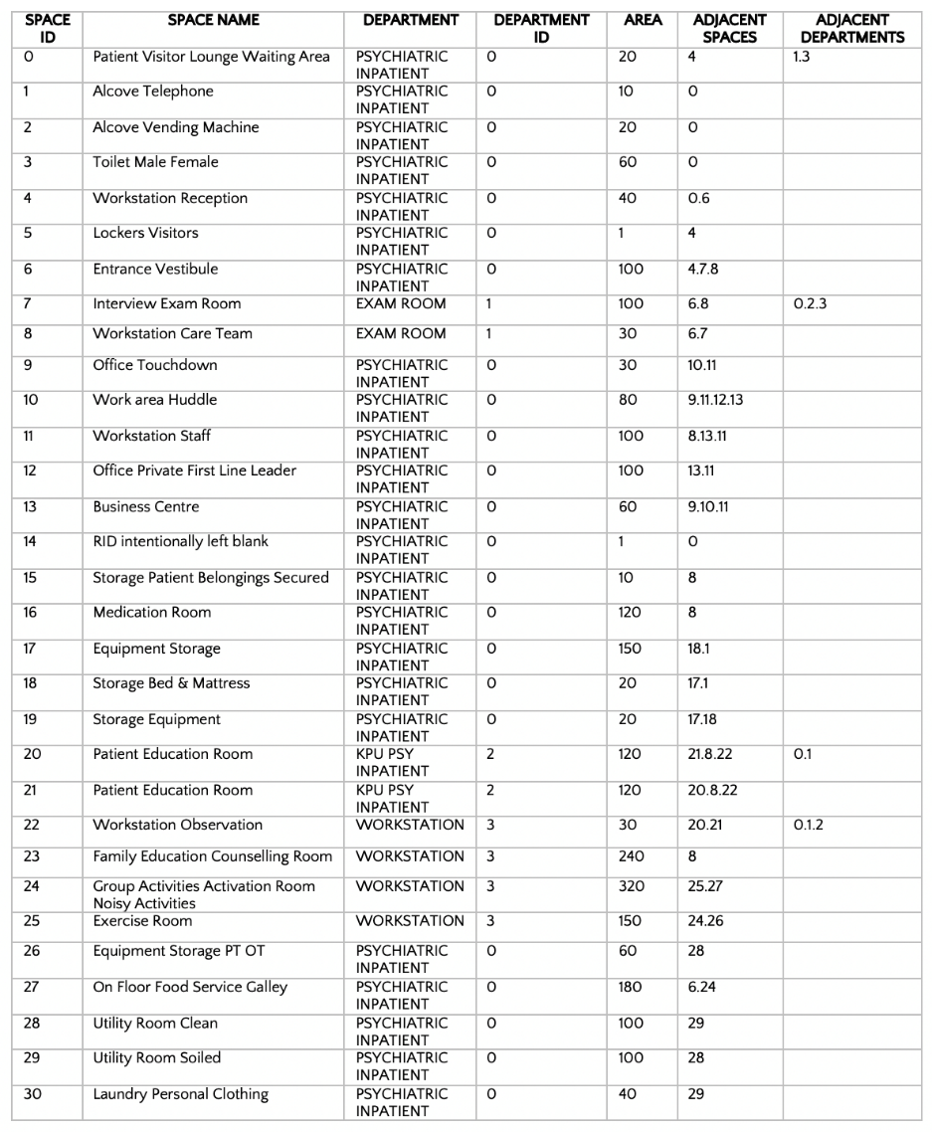
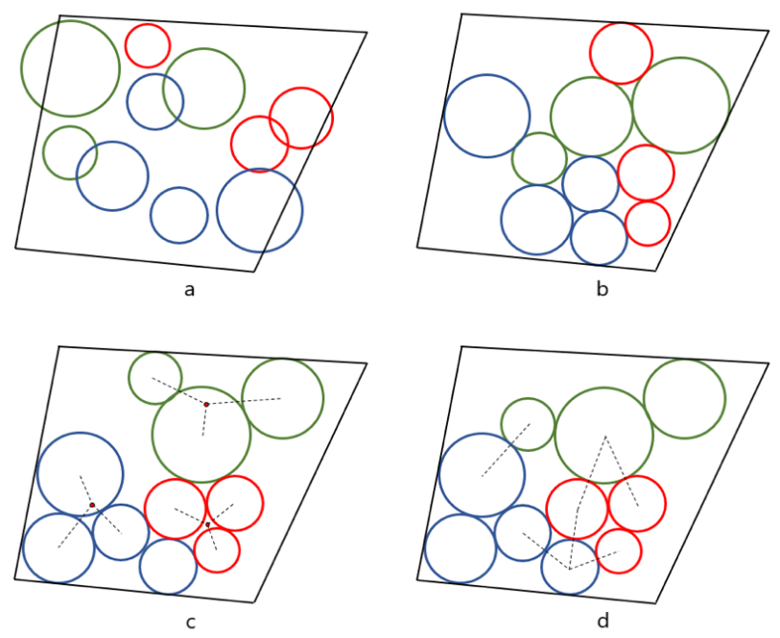
Exterior Finish 산출용 면적 ?
 | Space ID |  | Space Name |  |  |  |  | Area (m2) | Adjacent Spaces | Deparment | Deparment ID | Adjacent Departments |  |  |  | Interior Finish | Exterior Finish
Floor | Room ID | Room KKS ID | Room Name | Width (m) | Length (m) | Height (m) | C.H (m) | Area (m2) | Adjacent Room | Dicipline | Dicipline ID | Adjacent Dicipline | Colour | Occupancy | Mass |  |  | Dicipline | Dicipline ID | Colour
B1 |  |  |  | 21.0 | 44.0 | 4.0 |  | 924.0 |  |  |  |  |  |  |  |  |  | PPR | 0 | Orange
 | 0 | UCA01R0001 | Cable Room | 21.0 | 44.0 | 4.0 |  | 924.0 |  | EL | 1 |  | 0 | Industrial Low Hazard | B0 |  |  | EL | 1 | Yellow
 | 1 | UCA01R0002 | Stairway | 4.0 | 9.0 | 4.0 |  | 36.0 |  | AR | 7 |  | 0 |  | B1 |  |  | CI | 2 | Lime
 |  |  |  |  |  |  |  |  |  |  |  |  |  |  |  |  |  | PI | 3
GF |  |  |  | 21.0 | 44.0 | 6.0 |  | 924.0 |  |  |  |  |  |  |  |  |  | EN | 4
 | 0 | UCA02R0001 | Switchgear Room | 6.5 | 9.0 | 6.0 |  | 58.5 | 1 | EL | 1 |  | 0 |  | 1F1 |  |  | MR | 5
 | 1 | UCA02R0002 | Battery Room | 9.0 | 12.0 | 6.0 |  | 108.0 | 0 | EL | 1 |  | 0 |  | 1F2 |  |  | CV | 6
 | 2 | UCA02R0003 | Stairway | 4.0 | 9.0 | 6.0 |  | 36.0 |  | AR | 7 |  | 0 |  | 1F2 |  |  | AR | 7 | Cyan
 |  |  |  |  |  |  |  |  |  |  |  |  |  |  |  |  |  | HV | 8
1st |  |  |  | 21.0 | 44.0 | 6.0 |  | 924.0 |  |  |  |  |  |  |  |  |  | SF | 9
 | 0 | UCA03R0001 | Electronic Room | 18.6 | 23.2 | 6.0 |  | 431.5 | 1 | CI | 2 | 1 | 0 |  | 2F1
 | 1 | UCA03R0002 | Electrical Room | 12.8 | 18.6 | 6.0 |  | 238.1 | 0 | EL | 1 | 2 | 0 |  | 2F2
 | 2 | UCA03R0003 | Corridor | 2.4 | 36.0 | 6.0 | 2.7 | 86.4 |  | AR | 7 |  | 0 |  | 2F3
 | 3 | UCA03R0004 | Stairway | 4.0 | 9.0 | 6.0 |  | 36.0 | 4,5 | AR | 7 |  | 0 |  | 2F4
 | 4 |  | Duct Shaft | 2.7 | 6.0 | 6.0 |  | 16.2 | 3,5 | HV | 8 |  |  |  | 2F5
 | 5 |  | Pipe Shaft | 1.0 | 2.5 | 6.0 |  | 2.5 | 3,4 | HV | 8 |  |  |  | 2F6

2nd |  |  |  | 21.0 | 44.0 | 6.0 |  | 924.0
 | 0 | UCA04R0001 | Central Control Room | 9.0 | 32.0 | 6.0 | 3.4 | 288.0 | 1 | CI | 2 |  | 0 |  | 3F1
 | 1 | UCA04R0002 | Engineer Room | 9.6 | 12.5 | 6.0 | 3.0 | 120.0 | 0 | CI | 2 |  | 0 |  | 3F2
 | 2 | UCA04R0003 | Document Room | 5.0 | 9.6 | 6.0 | 2.7 | 48.0 |  | AR | 7 |  | 0 |  | 3F3
 | 3 | UCA04R0004 | Fire Gas Room |  |  | 6.0 |  | 0.0 |  | SF | 9 |  | 0 |  | 3F4
 | 4 | UCA04R0006 | Kitch & Lunch Room | 3.5 | 9.0 | 6.0 | 2.7 | 31.5 |  | AR | 7 |  | 0 |  | 3F5
 | 5 | UCA04R0007 | Toilet (M) | 6.0 | 12.0 | 6.0 | 2.7 | 72.0 | 6,11,12,13,14 | AR | 7 |  | 0 |  | 3F6
 | 6 | UCA04R0008 | Toilet (F) | 6.0 | 12.0 | 6.0 | 2.7 | 72.0 | 5,11,12,13,14 | AR | 7 |  | 0 |  | 3F7
 | 7 | UCA04R0009 | Corridor | 2.0 |  | 6.0 | 2.7 | 0.0 |  | AR | 7 |  |  |  | 3F8
 | 8 | UCA04R0010 | Stairway | 4.0 | 9.5 | 6.0 |  | 38.0 | 15,16 | AR | 7 |  |  |  | 3F9
 | 9 | UCA04R0011 | Shift Office Room | 4.5 | 9.6 | 6.0 | 2.7 | 43.2 |  | AR | 7 |  | 0 |  | 3F10
 | 10 | UCA04R0012 | LOTO Office Room | 3.5 | 9.0 | 6.0 | 2.7 | 31.5 |  | AR | 7 |  |  |  | 3F11
 | 11 | UCA04R0013 | Shower Room (F) | 3.5 | 9.0 | 6.0 | 2.7 | 31.5 | 5,6,12,13,14 | AR | 7 |  |  |  | 3F12
 | 12 | UCA04R0014 | Locker Room (F) | 3.5 | 9.0 | 6.0 | 2.7 | 31.5 | 5,6,11,13,14 | AR | 7 |  |  |  | 3F13
 | 13 | UCA04R0015 | Shower Room (M) | 3.5 | 9.0 | 6.0 | 2.7 | 31.5 | 5,6,11,12,14 | AR | 7 |  |  |  | 3F14
 | 14 | UCA04R0016 | Locker Room (M) | 3.5 | 9.0 | 6.0 | 2.7 | 31.5 | 5,6,11,12,13 | AR | 7 |  |  |  | 3F15
 | 15 |  | Duct Shaft | 2.7 | 6.0 | 6.0 |  | 16.2 | 8,16 | HV | 8 |  |  |  | 3F16
 | 16 |  | Pipe Shaft | 1.0 | 2.5 | 6.0 |  | 2.5 | 8,15 | HV | 8 |  |  |  | 3F17

